Clean LOL S1
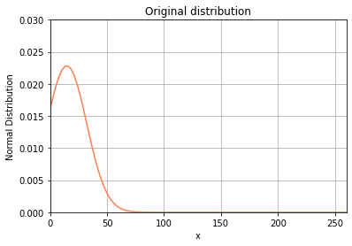
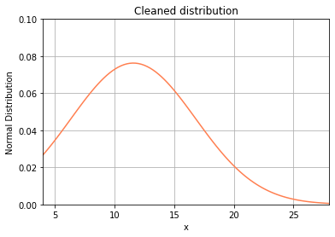
TEF Original | TEF Clean
count 400.000000 | count 372.000000
mean 14.617500 | mean 11.575269
Mode: 9 | Mode: 9
Median: 11.0 | Median: 10
std 17.471386 | std 5.231795
min 4.000000 | min 4.000000
25% 8.000000 | 25% 8.000000
50% 11.000000 | 50% 10.000000
75% 16.000000 | 75% 14.000000
max 260.000000 | max 28.000000

